Disclaimer


Alberta Energy Outlook ST98: 2023 Release Date: June 2023
Executive Summary – Statistics and Data

Copyright and Permission to Reproduce
Information on this file was produced and/or compiled by the Alberta Energy Regulator (AER) for the purpose of providing access to information regarding the energy resources of the province of Alberta.
Noncommercial or Educational Reproduction
Information on this file has been posted with the intent that it be readily available for personal and public noncommercial (educational) use. The information may be reproduced, in whole or in part and by any means, without charge or further permission from the AER. We ask only that users exercise due diligence to ensure the accuracy of the materials reproduced; the AER be identified as the source of the materials; and the reproduction not be presented as an official version of the AER material, or as having been made in affiliation with or with the endorsement of the AER.
Commercial Reproduction
Reproduction of multiple copies of materials on this file, in whole or in part, for the purposes of commercial redistribution is prohibited except with prior written permission from the AER. To obtain permission to reproduce materials on this file for commercial purposes please contact
AER Communications, Web Services:
Suite 1000, 250 – 5 Street SW
Calgary, Alberta T2P 0R4
Canada
Inquiries: 1-855-297-8311
Inquiries@aer.ca
Disclaimer
The information presented in this document is for general information purposes. It is believed to represent the best data available to the AER at this time but its accuracy is not guaranteed. The AER makes no representations, warranties, or guarantees, expressed or implied as to the accuracy, reliability, or currency of the information contained herein or that it will be suitable for any use. The AER accepts no responsibility whatsoever for any inaccuracy, error, or omissions in the information. The AER shall not be responsible for any losses or costs incurred by you or anyone else as a result of the use, conversion, publication, transmission, installation, or improvement of the information, even if such losses or costs are foreseeable. Any user intending to rely upon this information is advised to confirm both the accuracy of the information and whether a more recent version of the information is available.

Figures
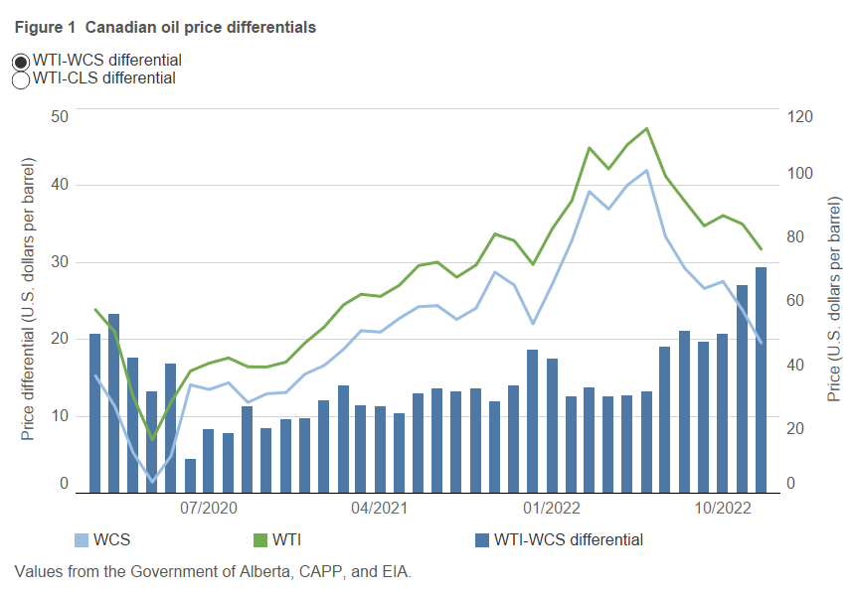
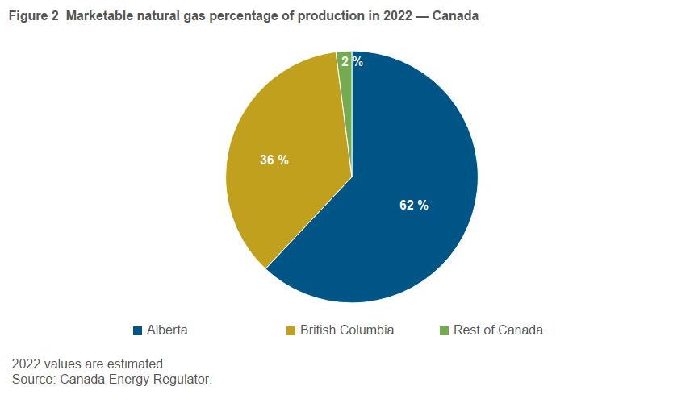
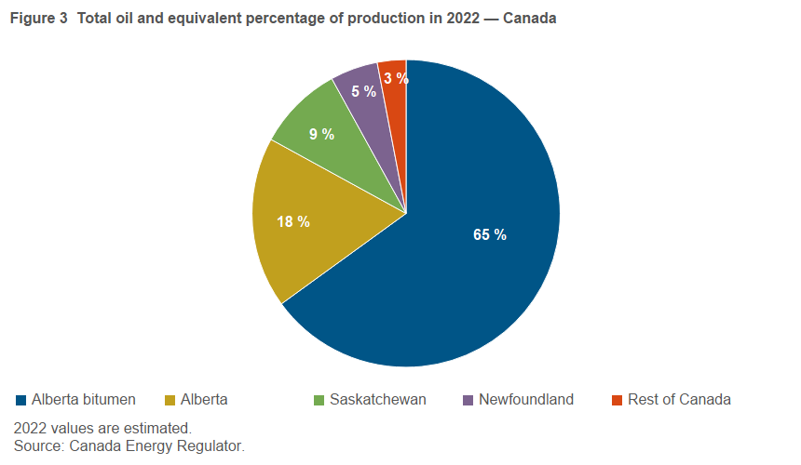
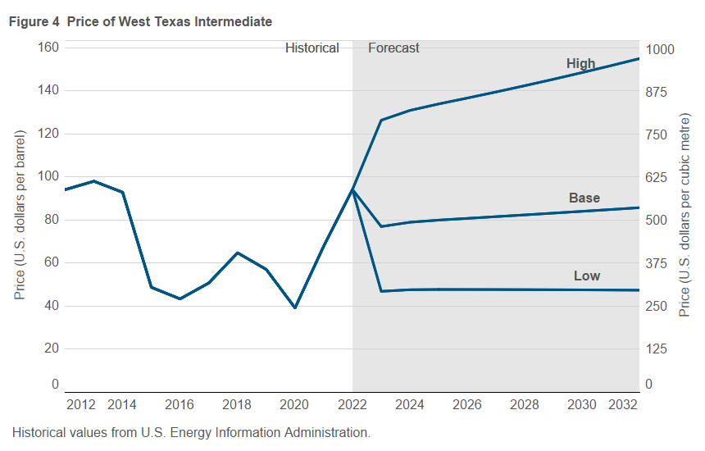
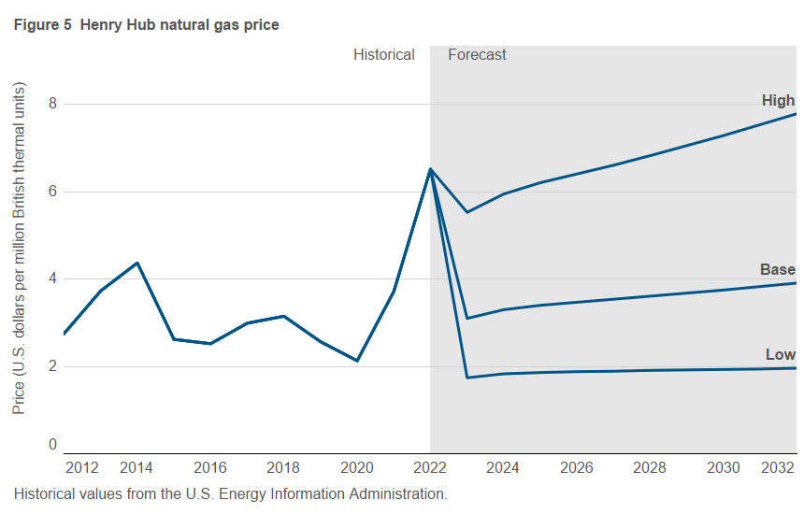
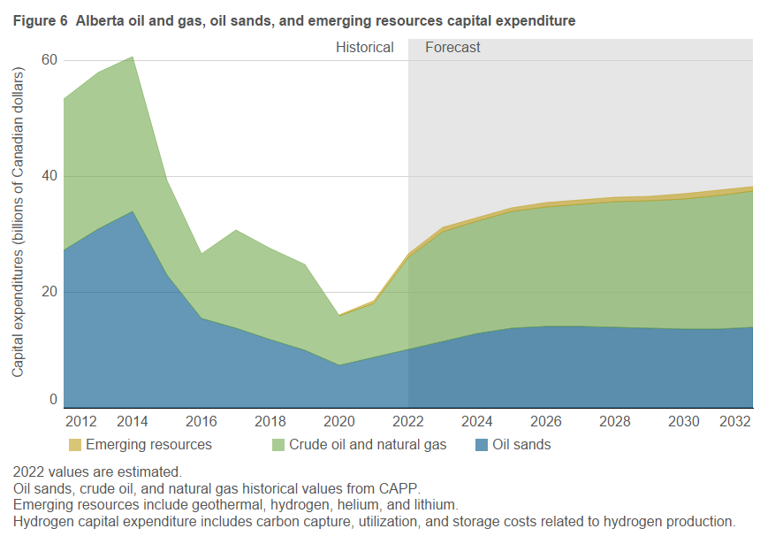
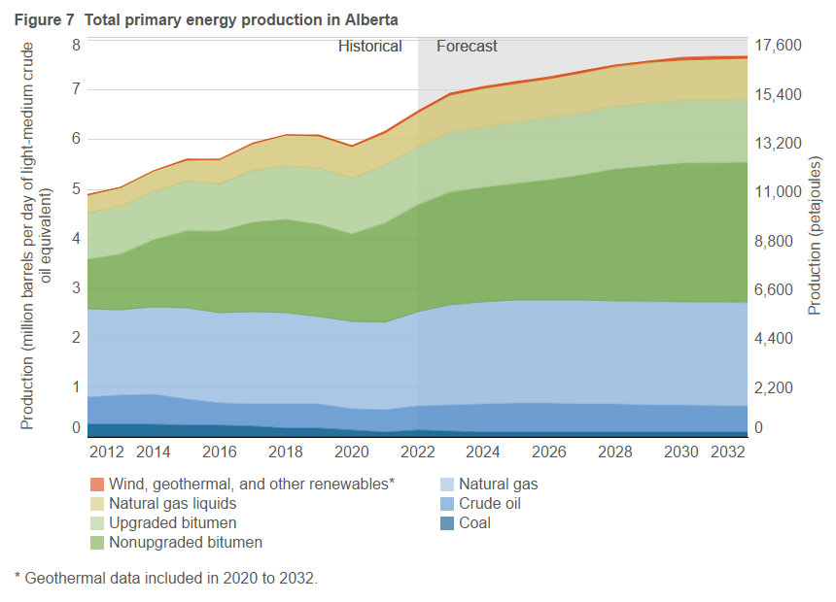
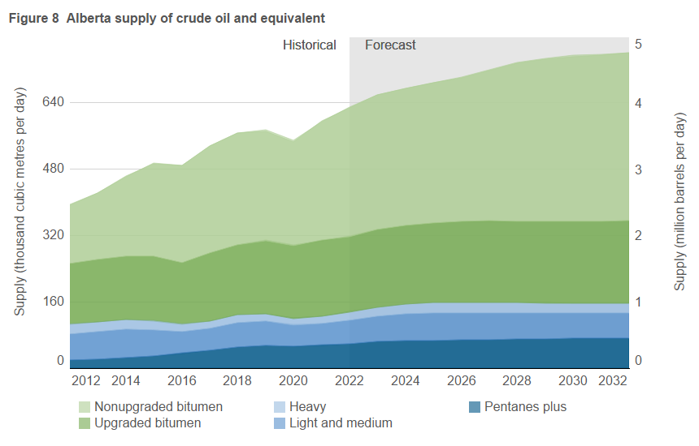
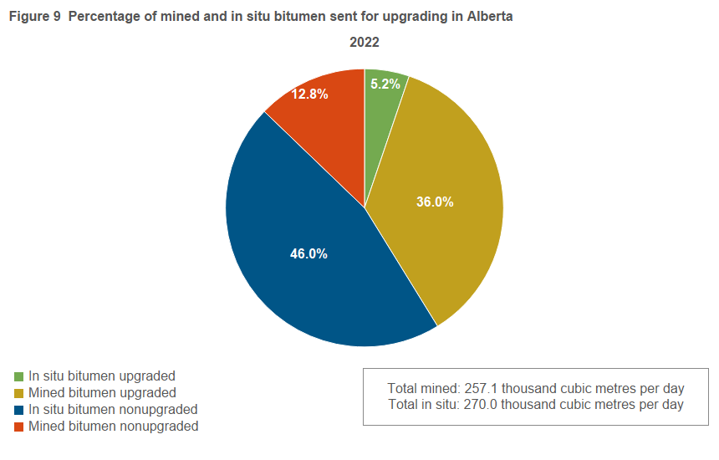
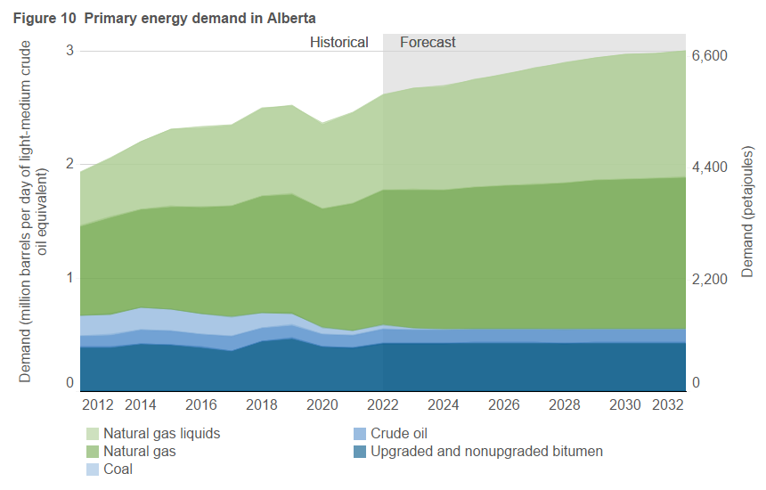
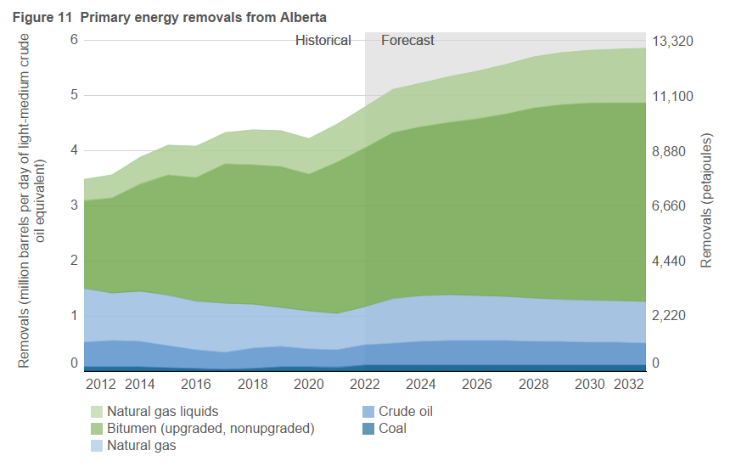
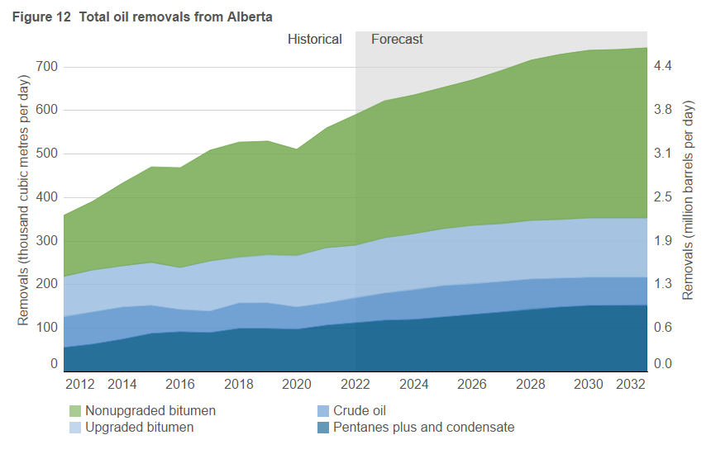
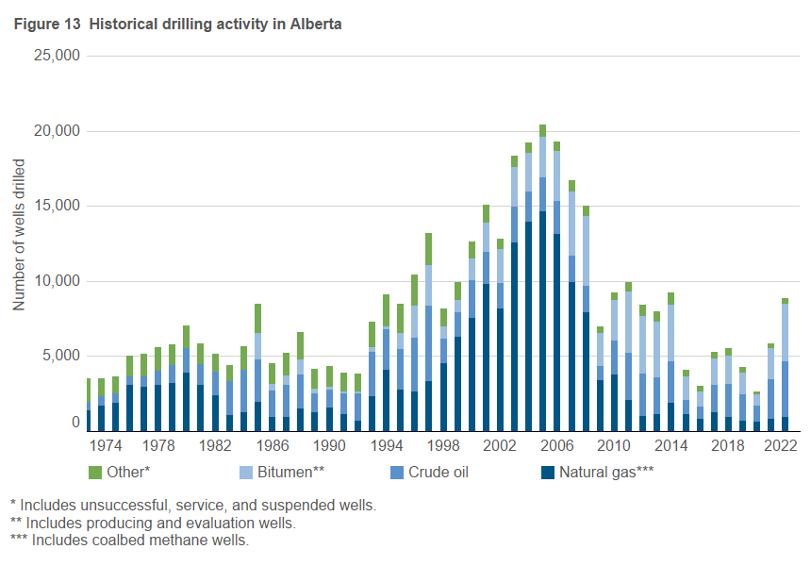

Figure 1 |  |  |  |  |  | Figure 2 |  |  |  | Figure 3 |  |  |  |  |  | Figure 4 |  |  |  |  |  |  | Figure 5 |  |  |  | Figure 6 |  |  |  | Figure 7 |  |  |  |  |  |  |  |  |  |  |  |  |  |  | Figure 8 |  |  |  |  |  |  |  |  |  |  | Figure 9 |  |  |  |  | Figure 10 |  |  |  |  |  |  |  |  |  |  | Figure 11 |  |  |  |  |  |  |  |  |  |  | Figure 12 |  |  |  |  |  |  |  |  | Figure 13
Year | WTI | CLS | WCS | WTI-WCS Differential | WTI-CLS Differential | Year | Per cent of total (%) |  |  | Year | Per cent of total (%) |  |  |  |  | Year | U.S. low | U.S. base | U.S. high | U.S. low | U.S. base | U.S. high | Year | U.S. low | U.S. base | U.S. high | Year |  |  |  |  |  |  |  |  |  |  |  |  |  |  |  |  |  |  |  |  |  |  |  |  |  |  |  |  |  | Percentage of total bitumen production |  |  |  |  |  |  |  |  |  |  |  |  |  |  |  |  |  |  |  |  |  |  |  |  |  |  |  |  |  |  |  |  |  |  |  | Year | number of wells drilled
 | (US$/bbl) | (US$/bbl) | (US$/bbl) | (US$/bbl) | (US$/bbl) |  | British Columbia | Alberta | Rest of Canada |  | Alberta Bitumen | Alberta | Saskatchewan | Newfoundland | Rest of Canada |  | ($/bbl) | ($/bbl) | ($/bbl) | ($/m3) | ($/m3) | ($/m3) |  | ($/MMBtu) | ($/MMBtu) | ($/MMBtu) |  | Oil sandsa | Oil and gasa | Emerging resourcesbc | Year | Coal | Crude oil | Natural gasa | Nonupgraded bitumen | Upgraded bitumen | Natural gas liquids | Wind, geothermal, and other renewablesb | Coal | Crude oil | Natural gasa | Nonupgraded bitumen | Upgraded bitumen | Natural gas liquids | Wind, geothermal, and other renewablesb | Year | Light and medium | Heavy | Pentanes plus and condensate | Upgraded bitumen | Nonupgraded bitumen | Light and medium | Heavy | Pentanes plus and condensate | Upgraded bitumen | Nonupgraded bitumen | Year | In situ bitumen upgraded | Mined bitumen upgraded | In situ bitumen nonupgraded | Mined bitumen nonupgraded | Year | Crude oil | Upgraded and nonupgraded bitumen | Coal | Natural gas | Natural gas liquids | Crude oil | Upgraded and nonupgraded bitumen | Coal | Natural gas | Natural gas liquids | Year | Coal | Crude oil | Natural gas | Upgraded and nonupgraded bitumen | Natural gas liquids | Coal | Crude oil | Natural Gas | Upgraded and nonupgraded bitumen | Natural gas liquids | Year | Crude oil | Upgraded bitumen | Nonupgraded bitumen | Pentanes plus and condensate | Crude oil | Upgraded bitumen | Nonupgraded bitumen | Pentanes plus and condensate |  | Crude oil | Bitumen* | Natural gas** | Other***
Jan-17 | 52.61 | 48.60 | 37.19 | 15.42 | 4.01 | 2022 | 36 | 62 | 2 | Total | 65 | 18 | 9 | 5 | 3 | 2000 | 30.26 | 30.26 | 30.26 | 190.42 | 190.42 | 190.42 | 2000 | 4.27 | 4.27 | 4.27 |  | (billion Cdn$) | (billion Cdn$) | (billion Cdn$) |  | (petajoules) |  |  |  |  |  |  | (million barrels per day of light-medium oil equivalent) |  |  |  |  |  |  |  | (thousand cubic metres per day) |  |  |  |  | (million barrels per day) |  |  |  |  | 2022 | 5.2% | 36.0% | 46.0% | 12.8% |  | (petajoules) |  |  |  |  | (million barrels per day of light-medium oil equivalent) |  |  |  |  |  | (petajoules) |  |  |  |  | (million barrels per day of light-medium oil equivalent) |  |  |  |  |  | (thousand cubic metres per day) |  |  |  | (million barrels per day) |  |  |  | 1948 | 217 |  | 22 | 135
Feb-17 | 53.46 | 50.18 | 39.14 | 14.32 | 3.28 | 2022 values are estimated. |  |  |  | 2022 values are estimated. |  |  |  |  |  | 2001 | 25.95 | 25.95 | 25.95 | 163.30 | 163.30 | 163.30 | 2001 | 5.12 | 5.12 | 5.12 | 2000 | 4.2 | 12.9 |  | 1997 | 704.1 | 2073.7 | 5176.2 | 599.9 | 661.9 | 916.4 | 12.7 | 0.32 | 0.93 | 2.32 | 0.27 | 0.30 | 0.41 | 0.01 | 1998 | 94.3 | 40.8 | 28.0 | 49.0 | 45.7 | 0.59 | 0.26 | 0.18 | 0.31 | 0.29 |  |  |  |  |  | 1999 | 489.0 | 467.1 | 450.3 | 1267.9 | 513.0 | 0.22 | 0.21 | 0.20 | 0.57 | 0.23 | 1999 | 265.3 | 1214.1 | 4188.8 | 963.7 | 546.7 | 0.12 | 0.54 | 1.88 | 0.43 | 0.24 | 1999 | 84.8 | 24.0 | 39.6 | 18.1 | 0.53 | 0.15 | 0.25 | 0.11 | 1949 | 540 |  | 35 | 218
Mar-17 | 49.67 | 46.69 | 35.68 | 13.99 | 2.98 | Source: Canada Energy Regulator. |  |  |  | Source: Canada Energy Regulator. |  |  |  |  |  | 2002 | 26.15 | 26.15 | 26.15 | 164.56 | 164.56 | 164.56 | 2002 | 3.65 | 3.65 | 3.65 | 2001 | 5.9 | 14.7 |  | 1998 | 712.4 | 1941.6 | 5333.2 | 713.9 | 704.7 | 928.4 | 13.5 | 0.32 | 0.87 | 2.39 | 0.32 | 0.32 | 0.42 | 0.01 | 1999 | 82.5 | 36.1 | 27.5 | 51.4 | 42.1 | 0.52 | 0.23 | 0.17 | 0.32 | 0.26 |  |  |  |  |  | 2000 | 498.9 | 514.3 | 447.1 | 1362.0 | 567.3 | 0.22 | 0.23 | 0.20 | 0.61 | 0.25 | 2000 | 189.5 | 1135.7 | 4127.1 | 975.1 | 552.1 | 0.08 | 0.51 | 1.84 | 0.44 | 0.25 | 2000 | 80.6 | 20.4 | 43.5 | 19.3 | 0.51 | 0.13 | 0.27 | 0.12 | 1950 | 753 |  | 40 | 219
Apr-17 | 51.12 | 47.88 | 36.84 | 14.28 | 3.24 |  |  |  |  | Alberta bitumen includes synthetic crude oil. |  |  |  |  |  | 2003 | 30.99 | 30.99 | 30.99 | 195.02 | 195.02 | 195.02 | 2003 | 5.80 | 5.80 | 5.80 | 2002 | 6.8 | 11.7 |  | 1999 | 667.7 | 1704.5 | 5456.7 | 657.7 | 739.2 | 962.6 | 14.3 | 0.30 | 0.76 | 2.44 | 0.29 | 0.33 | 0.43 | 0.01 | 2000 | 78.1 | 38.0 | 26.3 | 50.9 | 45.8 | 0.49 | 0.24 | 0.17 | 0.32 | 0.29 |  |  |  |  |  | 2001 | 441.2 | 523.5 | 456.5 | 1303.7 | 574.2 | 0.20 | 0.23 | 0.20 | 0.58 | 0.26 | 2001 | 160.6 | 1131.2 | 4252.3 | 1059.9 | 502.7 | 0.07 | 0.51 | 1.90 | 0.47 | 0.23 | 2001 | 80.5 | 24.5 | 45.3 | 20.2 | 0.51 | 0.15 | 0.29 | 0.13 | 1951 | 759 |  | 115 | 364
May-17 | 48.54 | 47.00 | 38.84 | 9.70 | 1.54 |  |  |  |  |  |  |  |  |  |  | 2004 | 41.47 | 41.47 | 41.47 | 260.97 | 260.97 | 260.97 | 2004 | 5.98 | 5.98 | 5.98 | 2003 | 5.0 | 15.5 |  | 2000 | 613.9 | 1677.0 | 5498.9 | 718.2 | 734.0 | 951.4 | 12.4 | 0.27 | 0.75 | 2.46 | 0.32 | 0.33 | 0.42 | 0.01 | 2001 | 76.7 | 35.3 | 24.0 | 55.5 | 47.8 | 0.48 | 0.22 | 0.15 | 0.35 | 0.30 |  |  |  |  |  | 2002 | 483.4 | 524.7 | 475.0 | 1366.5 | 604.8 | 0.22 | 0.24 | 0.21 | 0.61 | 0.27 | 2002 | 148.4 | 971.0 | 4069.4 | 1273.5 | 531.0 | 0.07 | 0.43 | 1.82 | 0.57 | 0.24 | 2002 | 69.1 | 39.0 | 45.7 | 20.2 | 0.43 | 0.25 | 0.29 | 0.13 | 1952 | 946 |  | 154 | 529
Jun-17 | 45.20 | 43.01 | 35.80 | 9.40 | 2.19 |  |  |  |  |  |  |  |  |  |  | 2005 | 56.70 | 56.70 | 56.70 | 356.81 | 356.81 | 356.81 | 2005 | 8.42 | 8.42 | 8.42 | 2004 | 6.2 | 18.5 |  | 2001 | 590.9 | 1612.1 | 5564.7 | 746.7 | 798.1 | 870.9 | 12.3 | 0.26 | 0.72 | 2.49 | 0.33 | 0.36 | 0.39 | 0.01 | 2002 | 71.0 | 32.6 | 23.4 | 70.1 | 48.1 | 0.45 | 0.21 | 0.15 | 0.44 | 0.30 |  |  |  |  |  | 2003 | 466.5 | 574.0 | 464.5 | 1382.8 | 640.9 | 0.21 | 0.26 | 0.21 | 0.62 | 0.29 | 2003 | 70.0 | 919.0 | 3932.9 | 1496.1 | 531.2 | 0.03 | 0.41 | 1.76 | 0.67 | 0.24 | 2003 | 65.4 | 47.8 | 51.8 | 21.6 | 0.41 | 0.30 | 0.33 | 0.14 | 1953 | 885 |  | 195 | 481
Jul-17 | 46.68 | 43.48 | 36.37 | 10.31 | 3.20 |  |  |  |  |  |  |  |  |  |  | 2006 | 66.25 | 66.25 | 66.25 | 416.90 | 416.90 | 416.90 | 2006 | 7.54 | 7.54 | 7.54 | 2005 | 10.4 | 24.9 |  | 2002 | 608.0 | 1489.8 | 5435.7 | 751.4 | 1008.1 | 916.7 | 14.1 | 0.27 | 0.67 | 2.43 | 0.34 | 0.45 | 0.41 | 0.01 | 2003 | 66.0 | 32.6 | 23.9 | 80.9 | 55.4 | 0.42 | 0.21 | 0.15 | 0.51 | 0.35 |  |  |  |  |  | 2004 | 448.1 | 638.2 | 468.2 | 1433.2 | 669.8 | 0.20 | 0.29 | 0.21 | 0.64 | 0.30 | 2004 | 49.3 | 855.3 | 3968.3 | 1727.7 | 561.1 | 0.02 | 0.38 | 1.77 | 0.77 | 0.25 | 2004 | 60.7 | 57.7 | 57.2 | 22.9 | 0.38 | 0.36 | 0.36 | 0.14 | 1954 | 673 |  | 140 | 365
Aug-17 | 48.06 | 47.98 | 38.50 | 9.56 | 0.08 |  |  |  |  |  |  |  |  |  |  | 2007 | 72.41 | 72.41 | 72.41 | 455.67 | 455.67 | 455.67 | 2007 | 6.97 | 6.97 | 6.97 | 2006 | 14.3 | 27.2 |  | 2003 | 528.8 | 1420.5 | 5315.7 | 865.5 | 1163.0 | 920.3 | 14.5 | 0.24 | 0.64 | 2.38 | 0.39 | 0.52 | 0.41 | 0.01 | 2004 | 61.3 | 31.2 | 22.1 | 95.5 | 60.6 | 0.39 | 0.20 | 0.14 | 0.60 | 0.38 |  |  |  |  |  | 2005 | 455.3 | 606.1 | 479.6 | 1445.6 | 699.5 | 0.20 | 0.27 | 0.22 | 0.65 | 0.31 | 2005 | 122.8 | 779.9 | 3926.0 | 1762.6 | 564.9 | 0.05 | 0.35 | 1.76 | 0.79 | 0.25 | 2005 | 55.5 | 51.7 | 65.2 | 24.6 | 0.35 | 0.33 | 0.41 | 0.15 | 1955 | 1,145 |  | 138 | 344
Sep-17 | 49.88 | 46.68 | 39.93 | 9.95 | 3.20 |  |  |  |  |  |  |  |  |  |  | 2008 | 99.75 | 99.75 | 99.75 | 627.72 | 627.72 | 627.72 | 2008 | 8.86 | 8.86 | 8.86 | 2007 | 18.1 | 21.2 |  | 2004 | 533.1 | 1336.7 | 5401.7 | 946.2 | 1372.8 | 928.7 | 16.5 | 0.24 | 0.60 | 2.41 | 0.42 | 0.61 | 0.41 | 0.01 | 2005 | 59.0 | 28.8 | 22.1 | 86.7 | 68.6 | 0.37 | 0.18 | 0.14 | 0.55 | 0.43 |  |  |  |  |  | 2006 | 420.2 | 651.4 | 486.7 | 1516.6 | 723.7 | 0.19 | 0.29 | 0.22 | 0.68 | 0.32 | 2006 | 164.6 | 753.2 | 3949.2 | 2062.9 | 602.5 | 0.07 | 0.34 | 1.77 | 0.92 | 0.27 | 2006 | 53.6 | 66.1 | 71.2 | 26.9 | 0.34 | 0.42 | 0.45 | 0.17 | 1956 | 1,368 |  | 138 | 392
Oct-17 | 51.69 | 51.21 | 39.87 | 11.82 | 0.48 |  |  |  |  |  |  |  |  |  |  | 2009 | 62.09 | 62.09 | 62.09 | 390.73 | 390.73 | 390.73 | 2009 | 3.94 | 3.94 | 3.94 | 2008 | 18.1 | 21.5 |  | 2005 | 576.0 | 1264.4 | 5371.4 | 1074.8 | 1249.7 | 919.3 | 18.6 | 0.26 | 0.57 | 2.41 | 0.48 | 0.56 | 0.41 | 0.01 | 2006 | 56.6 | 26.9 | 23.2 | 104.6 | 74.4 | 0.36 | 0.17 | 0.15 | 0.66 | 0.47 |  |  |  |  |  | 2007 | 414.5 | 688.9 | 481.9 | 1580.8 | 749.3 | 0.19 | 0.31 | 0.22 | 0.71 | 0.34 | 2007 | 184.8 | 718.1 | 3755.4 | 2186.4 | 614.2 | 0.08 | 0.32 | 1.68 | 0.98 | 0.28 | 2007 | 51.1 | 68.4 | 76.9 | 29.0 | 0.32 | 0.43 | 0.48 | 0.18 | 1957 | 874 |  | 25 | 549
Nov-17 | 56.54 | 56.09 | 45.52 | 11.02 | 0.45 |  |  |  |  |  |  |  |  |  |  | 2010 | 79.61 | 79.61 | 79.61 | 500.98 | 500.98 | 500.98 | 2010 | 4.37 | 4.37 | 4.37 | 2009 | 11.2 | 12.0 |  | 2006 | 640.4 | 1202.0 | 5465.6 | 1162.5 | 1504.3 | 943.1 | 18.0 | 0.29 | 0.54 | 2.45 | 0.52 | 0.67 | 0.42 | 0.01 | 2007 | 54.8 | 25.9 | 23.4 | 109.3 | 80.1 | 0.34 | 0.16 | 0.15 | 0.69 | 0.50 |  |  |  |  |  | 2008 | 357.9 | 612.5 | 461.0 | 1650.8 | 738.4 | 0.16 | 0.27 | 0.21 | 0.74 | 0.33 | 2008 | 181.2 | 737.0 | 3392.0 | 2300.8 | 635.0 | 0.08 | 0.33 | 1.51 | 1.03 | 0.28 | 2008 | 52.3 | 68.0 | 84.3 | 31.0 | 0.33 | 0.43 | 0.53 | 0.20 | 1958 | 959 |  | 227 | 533
Dec-17 | 57.95 | 56.60 | 44.02 | 13.93 | 1.35 |  |  |  |  |  |  |  |  |  |  | 2011 | 95.11 | 95.11 | 95.11 | 598.52 | 598.52 | 598.52 | 2011 | 4.00 | 4.00 | 4.00 | 2010 | 17.2 | 21.5 |  | 2007 | 642.9 | 1161.2 | 5336.2 | 1251.0 | 1571.8 | 930.1 | 20.3 | 0.29 | 0.52 | 2.39 | 0.56 | 0.70 | 0.42 | 0.01 | 2008 | 53.1 | 24.5 | 22.4 | 103.9 | 87.5 | 0.33 | 0.15 | 0.14 | 0.65 | 0.55 |  |  |  |  |  | 2009 | 231.9 | 693.6 | 452.5 | 1649.0 | 795.4 | 0.10 | 0.31 | 0.20 | 0.74 | 0.36 | 2009 | 180.4 | 770.1 | 2990.9 | 2522.6 | 662.9 | 0.08 | 0.34 | 1.34 | 1.13 | 0.30 | 2009 | 54.8 | 79.6 | 88.2 | 36.0 | 0.34 | 0.50 | 0.56 | 0.23 | 1959 | 877 |  | 242 | 483
Jan-18 | 63.55 | 53.65 | 42.53 | 21.02 | 9.90 |  |  |  |  |  |  |  |  |  |  | 2012 | 95.15 | 95.15 | 95.15 | 598.77 | 598.77 | 598.77 | 2012 | 2.75 | 2.75 | 2.75 | 2011 | 22.7 | 25.8 |  | 2008 | 645.5 | 1119.4 | 5043.0 | 1370.6 | 1498.3 | 877.8 | 20.3 | 0.29 | 0.50 | 2.25 | 0.61 | 0.67 | 0.39 | 0.01 | 2009 | 48.3 | 23.0 | 21.1 | 121.7 | 90.5 | 0.30 | 0.14 | 0.13 | 0.77 | 0.57 |  |  |  |  |  | 2010 | 230.5 | 793.6 | 447.9 | 1670.9 | 884.7 | 0.10 | 0.36 | 0.20 | 0.75 | 0.40 | 2010 | 209.1 | 772.9 | 2704.3 | 2770.6 | 712.7 | 0.09 | 0.35 | 1.21 | 1.24 | 0.32 | 2010 | 55.0 | 77.9 | 105.6 | 42.6 | 0.35 | 0.49 | 0.66 | 0.27 | 1960 | 985 |  | 276 | 505
Feb-18 | 62.16 | 56.17 | 37.72 | 24.44 | 5.99 |  |  |  |  |  |  |  |  |  |  | 2013 | 98.05 | 98.05 | 98.05 | 617.02 | 617.02 | 617.02 | 2013 | 3.73 | 3.73 | 3.73 | 2012 | 27.2 | 26.1 |  | 2009 | 639.9 | 1026.5 | 4639.8 | 1413.8 | 1750.2 | 832.1 | 19.2 | 0.29 | 0.46 | 2.08 | 0.63 | 0.78 | 0.37 | 0.01 | 2010 | 48.9 | 22.5 | 20.3 | 126.3 | 108.1 | 0.31 | 0.14 | 0.13 | 0.79 | 0.68 |  |  |  |  |  | 2011 | 240.3 | 846.7 | 421.5 | 1735.0 | 926.7 | 0.11 | 0.38 | 0.19 | 0.78 | 0.42 | 2011 | 195.0 | 831.9 | 2442.2 | 3081.2 | 783.8 | 0.09 | 0.37 | 1.09 | 1.38 | 0.35 | 2011 | 59.2 | 85.2 | 118.8 | 47.1 | 0.37 | 0.54 | 0.75 | 0.30 | 1961 | 783 |  | 344 | 484
Mar-18 | 62.87 | 56.54 | 35.53 | 27.34 | 6.33 |  |  |  |  |  |  |  |  |  |  | 2014 | 92.91 | 92.91 | 92.91 | 584.67 | 584.67 | 584.67 | 2014 | 4.37 | 4.37 | 4.37 | 2013 | 30.8 | 27.0 |  | 2010 | 633.3 | 1027.1 | 4375.1 | 1688.7 | 1816.3 | 800.8 | 19.5 | 0.28 | 0.46 | 1.96 | 0.76 | 0.81 | 0.36 | 0.01 | 2011 | 53.9 | 22.4 | 19.7 | 137.1 | 121.1 | 0.34 | 0.14 | 0.12 | 0.86 | 0.76 |  |  |  |  |  | 2012 | 225.5 | 864.7 | 401.5 | 1760.3 | 1051.7 | 0.10 | 0.39 | 0.18 | 0.79 | 0.47 | 2012 | 181.6 | 994.8 | 2192.9 | 3521.9 | 874.9 | 0.08 | 0.44 | 0.98 | 1.57 | 0.39 | 2012 | 70.6 | 92.8 | 139.4 | 55.6 | 0.44 | 0.58 | 0.88 | 0.35 | 1962 | 676 |  | 272 | 649
Apr-18 | 66.33 | 62.50 | 40.47 | 25.86 | 3.83 |  |  |  |  |  |  |  |  |  |  | 2015 | 48.79 | 48.79 | 48.79 | 307.03 | 307.03 | 307.03 | 2015 | 2.62 | 2.62 | 2.62 | 2014 | 33.9 | 26.7 |  | 2011 | 601.7 | 1095.9 | 4177.2 | 1891.8 | 1971.6 | 799.4 | 24.3 | 0.27 | 0.49 | 1.87 | 0.85 | 0.88 | 0.36 | 0.01 | 2012 | 63.2 | 23.4 | 19.1 | 145.2 | 141.9 | 0.40 | 0.15 | 0.12 | 0.91 | 0.89 |  |  |  |  |  | 2013 | 234.7 | 867.0 | 405.1 | 1911.1 | 1160.4 | 0.11 | 0.39 | 0.18 | 0.86 | 0.52 | 2013 | 184.0 | 1042.7 | 1927.5 | 3851.8 | 940.4 | 0.08 | 0.47 | 0.86 | 1.72 | 0.42 | 2013 | 74.2 | 96.4 | 157.8 | 61.7 | 0.47 | 0.61 | 0.99 | 0.39 | 1963 | 868 |  | 275 | 614
May-18 | 69.89 | 62.77 | 53.25 | 16.64 | 7.12 |  |  |  |  |  |  |  |  |  |  | 2016 | 43.40 | 43.40 | 43.40 | 273.11 | 273.11 | 273.11 | 2016 | 2.52 | 2.52 | 2.52 | 2015 | 22.9 | 16.3 |  | 2012 | 569.0 | 1244.9 | 3953.2 | 2223.0 | 2093.8 | 796.8 | 26.7 | 0.25 | 0.56 | 1.77 | 0.99 | 0.94 | 0.36 | 0.01 | 2013 | 67.0 | 23.8 | 20.8 | 148.8 | 160.8 | 0.42 | 0.15 | 0.13 | 0.94 | 1.01 |  |  |  |  |  | 2014 | 269.8 | 935.1 | 444.9 | 1923.4 | 1330.9 | 0.12 | 0.42 | 0.20 | 0.86 | 0.60 | 2014 | 173.3 | 1024.4 | 2046.3 | 4323.3 | 1074.1 | 0.08 | 0.46 | 0.92 | 1.94 | 0.48 | 2014 | 72.9 | 95.4 | 188.9 | 74.1 | 0.46 | 0.60 | 1.19 | 0.47 | 1964 | 861 |  | 263 | 727
Jun-18 | 67.32 | 60.01 | 52.10 | 15.22 | 7.31 |  |  |  |  |  |  |  |  |  |  | 2017 | 50.80 | 50.80 | 50.80 | 319.68 | 319.68 | 319.68 | 2017 | 2.99 | 2.99 | 2.99 | 2016 | 15.4 | 11.6 |  | 2013 | 578.7 | 1301.5 | 3838.7 | 2512.5 | 2139.9 | 845.4 | 28.1 | 0.26 | 0.58 | 1.72 | 1.13 | 0.96 | 0.38 | 0.01 | 2014 | 68.5 | 23.7 | 25.0 | 151.6 | 192.6 | 0.43 | 0.15 | 0.16 | 0.95 | 1.21 |  |  |  |  |  | 2015 | 268.4 | 915.4 | 432.2 | 2021.7 | 1511.4 | 0.12 | 0.41 | 0.19 | 0.91 | 0.68 | 2015 | 122.1 | 900.8 | 2054.5 | 4857.1 | 1212.3 | 0.05 | 0.40 | 0.92 | 2.18 | 0.54 | 2015 | 64.1 | 100.5 | 218.4 | 87.1 | 0.40 | 0.63 | 1.37 | 0.55 | 1965 | 919 |  | 240 | 912
Jul-18 | 70.74 | 61.87 | 52.83 | 17.91 | 8.87 |  |  |  |  |  |  |  |  |  |  | 2018 | 64.74 | 64.74 | 64.74 | 407.40 | 407.40 | 407.40 | 2018 | 3.15 | 3.15 | 3.15 | 2017 | 13.8 | 16.9 |  | 2014 | 582.4 | 1320.6 | 3969.6 | 3009.5 | 2180.2 | 898.6 | 28.0 | 0.26 | 0.59 | 1.78 | 1.35 | 0.98 | 0.40 | 0.01 | 2015 | 61.4 | 21.8 | 29.9 | 155.2 | 222.3 | 0.39 | 0.14 | 0.19 | 0.98 | 1.40 |  |  |  |  |  | 2016 | 249.4 | 866.3 | 413.1 | 2093.0 | 1579.8 | 0.11 | 0.39 | 0.18 | 0.93 | 0.71 | 2016 | 109.0 | 738.4 | 1997.1 | 4979.4 | 1291.1 | 0.05 | 0.33 | 0.89 | 2.22 | 0.58 | 2016 | 52.4 | 96.0 | 229.5 | 90.4 | 0.33 | 0.60 | 1.44 | 0.57 | 1966 | 614 |  | 257 | 766
Aug-18 | 67.85 | 59.24 | 48.55 | 19.30 | 8.61 |  |  |  |  |  |  |  |  |  |  | 2019 | 57.01 | 57.01 | 57.01 | 358.76 | 358.76 | 358.76 | 2019 | 2.57 | 2.57 | 2.57 | 2018 | 11.7 | 15.8 |  | 2015 | 529.7 | 1192.3 | 4076.2 | 3472.5 | 2231.9 | 960.8 | 28.9 | 0.24 | 0.53 | 1.83 | 1.56 | 1.00 | 0.43 | 0.01 | 2016 | 51.4 | 18.7 | 35.9 | 147.7 | 233.0 | 0.32 | 0.12 | 0.23 | 0.93 | 1.47 |  |  |  |  |  | 2017 | 292.3 | 790.5 | 389.4 | 2180.1 | 1593.2 | 0.13 | 0.35 | 0.17 | 0.98 | 0.71 | 2017 | 76.9 | 695.6 | 1980.8 | 5643.1 | 1241.5 | 0.03 | 0.31 | 0.89 | 2.53 | 0.56 | 2017 | 49.5 | 115.5 | 254.9 | 88.2 | 0.31 | 0.73 | 1.60 | 0.56 | 1967 | 641 |  | 274 | 731
Sep-18 | 70.07 | 53.44 | 40.37 | 29.70 | 16.63 |  |  |  |  |  |  |  |  |  |  | 2020 | 39.38 | 39.38 | 39.38 | 247.81 | 247.81 | 247.81 | 2020 | 2.13 | 2.13 | 2.13 | 2019 | 9.3 | 14.8 |  | 2016 | 511.4 | 1007.4 | 4090.1 | 3649.9 | 2129.9 | 1095.5 | 30.2 | 0.23 | 0.45 | 1.83 | 1.63 | 0.95 | 0.49 | 0.01 | 2017 | 52.2 | 18.1 | 43.5 | 163.4 | 257.5 | 0.33 | 0.11 | 0.27 | 1.03 | 1.62 |  |  |  |  |  | 2018 | 269.8 | 977.0 | 294.6 | 2307.0 | 1727.7 | 0.12 | 0.44 | 0.13 | 1.03 | 0.77 | 2018 | 95.7 | 816.5 | 1795.1 | 5649.3 | 1409.2 | 0.04 | 0.37 | 0.80 | 2.53 | 0.63 | 2018 | 58.1 | 105.8 | 264.2 | 97.8 | 0.37 | 0.67 | 1.66 | 0.62 | 1968 | 549 |  | 387 | 970
Oct-18 | 70.76 | 49.77 | 41.15 | 29.61 | 20.99 |  |  |  |  |  |  |  |  |  |  | 2021 | 67.96 | 67.96 | 67.96 | 427.67 | 427.67 | 427.67 | 2021 | 3.72 | 3.72 | 3.72 | 2020 | 7.3 | 8.5 | 0.21 | 2017 | 467.2 | 1007.4 | 4160.8 | 4023.4 | 2349.9 | 1211.1 | 30.3 | 0.21 | 0.45 | 1.86 | 1.80 | 1.05 | 0.54 | 0.01 | 2018 | 58.6 | 18.7 | 51.3 | 168.3 | 268.0 | 0.37 | 0.12 | 0.32 | 1.06 | 1.69 |  |  |  |  |  | 2019 | 261.4 | 1038.4 | 234.4 | 2342.5 | 1739.9 | 0.12 | 0.47 | 0.10 | 1.05 | 0.78 | 2019 | 185.3 | 819.3 | 1589.0 | 5674.8 | 1441.4 | 0.08 | 0.37 | 0.71 | 2.54 | 0.65 | 2019 | 58.3 | 110.7 | 261.4 | 98.7 | 0.37 | 0.70 | 1.64 | 0.62 | 1969 | 462 |  | 433 | 978
Nov-18 | 56.60 | 22.14 | 11.03 | 45.57 | 34.46 |  |  |  |  |  |  |  |  |  |  | 2022 | 94.23 | 94.23 | 94.23 | 592.98 | 592.98 | 592.98 | 2022 | 6.52 | 6.52 | 6.52 | 2021 | 8.7 | 9.2 | 0.57 | 2018 | 382.0 | 1105.4 | 4103.5 | 4186.4 | 2420.3 | 1376.8 | 29.3 | 0.17 | 0.50 | 1.84 | 1.87 | 1.08 | 0.62 | 0.01 | 2019 | 59.1 | 17.8 | 54.2 | 177.2 | 264.5 | 0.37 | 0.11 | 0.34 | 1.11 | 1.66 |  |  |  |  |  | 2020 | 244.0 | 873.0 | 144.3 | 2332.0 | 1684.6 | 0.11 | 0.39 | 0.06 | 1.04 | 0.75 | 2020 | 188.9 | 705.4 | 1538.3 | 5537.4 | 1443.0 | 0.08 | 0.32 | 0.69 | 2.47 | 0.64 | 2020 | 50.1 | 119.1 | 243.9 | 96.9 | 0.32 | 0.75 | 1.53 | 0.61 | 1970 | 301 |  | 608 | 938
Dec-18 | 48.68 | 12.13 | 5.97 | 42.71 | 36.55 |  |  |  |  |  |  |  |  |  |  | 2023 | 46.92 | 77.00 | 126.37 | 295.26 | 484.55 | 795.23 | 2023 | 1.74 | 3.10 | 5.53 | 2022 | 10.0 | 16.0 | 0.59 | 2019 | 394.2 | 1100.7 | 3931.5 | 4132.7 | 2547.6 | 1451.7 | 29.8 | 0.18 | 0.49 | 1.76 | 1.85 | 1.14 | 0.65 | 0.01 | 2020 | 51.5 | 15.9 | 53.1 | 174.8 | 251.4 | 0.32 | 0.10 | 0.33 | 1.10 | 1.58 |  |  |  |  |  | 2021 | 251.7 | 855.5 | 91.6 | 2501.4 | 1794.1 | 0.11 | 0.38 | 0.04 | 1.12 | 0.80 | 2021 | 147.7 | 725.7 | 1453.6 | 6122.1 | 1550.1 | 0.07 | 0.32 | 0.65 | 2.74 | 0.69 | 2021 | 51.6 | 127.3 | 274.7 | 105.7 | 0.32 | 0.80 | 1.73 | 0.67 | 1971 | 362 |  | 691 | 972
Jan-19 | 51.38 | 38.37 | 34.30 | 17.08 | 13.01 |  |  |  |  |  |  |  |  |  |  | 2024 | 47.66 | 79.00 | 130.94 | 299.92 | 497.14 | 823.99 | 2024 | 1.83 | 3.30 | 5.95 | 2023 | 11.5 | 18.9 | 0.73 | 2020 | 307.1 | 963.9 | 3933.0 | 3938.3 | 2520.8 | 1424.1 | 36.8 | 0.14 | 0.43 | 1.76 | 1.76 | 1.13 | 0.64 | 0.02 | 2021 | 52.0 | 17.5 | 54.9 | 182.1 | 285.5 | 0.33 | 0.11 | 0.35 | 1.15 | 1.80 |  |  |  |  |  | 2022 | 271.1 | 947.9 | 87.5 | 2657.6 | 1882.0 | 0.12 | 0.42 | 0.04 | 1.19 | 0.84 | 2022 | 241.6 | 815.1 | 1561.7 | 6421.9 | 1645.4 | 0.11 | 0.36 | 0.70 | 2.88 | 0.74 | 2022 | 58.0 | 120.3 | 300.3 | 111.8 | 0.36 | 0.76 | 1.89 | 0.70 | 1972 | 507 |  | 990 | 1,179
Feb-19 | 55.01 | 49.46 | 45.33 | 9.68 | 5.55 |  |  |  |  |  |  |  |  |  |  | 2025 | 47.78 | 80.00 | 133.94 | 300.67 | 503.43 | 842.87 | 2025 | 1.86 | 3.40 | 6.21 | 2024 | 12.9 | 19.3 | 0.64 | 2021 | 219.0 | 995.7 | 3954.7 | 4459.5 | 2618.0 | 1452.7 | 37.5 | 0.10 | 0.45 | 1.77 | 2.00 | 1.17 | 0.65 | 0.02 | 2022 | 56.3 | 21.0 | 58.3 | 181.0 | 310.0 | 0.35 | 0.13 | 0.37 | 1.14 | 1.95 |  |  |  |  |  | 2023 | 268.1 | 940.3 | 44.2 | 2713.8 | 1988.2 | 0.12 | 0.42 | 0.02 | 1.22 | 0.89 | 2023 | 248.8 | 881.8 | 1810.9 | 6725.4 | 1747.1 | 0.11 | 0.39 | 0.81 | 3.01 | 0.78 | 2023 | 62.8 | 126.6 | 314.0 | 117.1 | 0.39 | 0.80 | 1.98 | 0.74 | 1973 | 581 |  | 1,374 | 1,558
Mar-19 | 58.17 | 53.28 | 48.21 | 9.96 | 4.89 |  |  |  |  |  |  |  |  |  |  | 2026 | 47.76 | 80.80 | 136.69 | 300.55 | 508.47 | 860.18 | 2026 | 1.88 | 3.47 | 6.41 | 2025 | 13.8 | 20.1 | 0.58 | 2022 | 295.9 | 1108.3 | 4219.1 | 4842.9 | 2603.1 | 1530.6 | 54.4 | 0.13 | 0.50 | 1.89 | 2.17 | 1.17 | 0.69 | 0.02 | 2023 | 59.5 | 22.3 | 64.4 | 186.7 | 324.3 | 0.37 | 0.14 | 0.41 | 1.18 | 2.04 |  |  |  |  |  | 2024 | 271.1 | 947.3 | 0.7 | 2751.9 | 2039.2 | 0.12 | 0.42 | 0.00 | 1.23 | 0.91 | 2024 | 248.8 | 970.5 | 1853.8 | 6814.0 | 1778.0 | 0.11 | 0.43 | 0.83 | 3.05 | 0.80 | 2024 | 69.1 | 128.5 | 317.9 | 119.7 | 0.43 | 0.81 | 2.00 | 0.75 | 1974 | 635 |  | 1,668 | 1,186
Apr-19 | 63.88 | 58.33 | 53.25 | 10.63 | 5.55 |  |  |  |  |  |  |  |  |  |  | 2027 | 47.74 | 81.61 | 139.51 | 300.42 | 513.56 | 877.92 | 2027 | 1.89 | 3.54 | 6.61 | 2026 | 14.1 | 20.6 | 0.77 | 2023 | 258.9 | 1173.7 | 4524.7 | 5066.4 | 2685.5 | 1685.2 | 60.8 | 0.12 | 0.53 | 2.03 | 2.27 | 1.20 | 0.75 | 0.03 | 2024 | 64.2 | 24.2 | 66.0 | 189.2 | 329.0 | 0.40 | 0.15 | 0.42 | 1.19 | 2.07 |  |  |  |  |  | 2025 | 271.1 | 950.6 | 0.7 | 2787.4 | 2113.5 | 0.12 | 0.43 | 0.00 | 1.25 | 0.95 | 2025 | 248.8 | 1000.8 | 1846.4 | 6960.4 | 1845.3 | 0.11 | 0.45 | 0.83 | 3.12 | 0.83 | 2025 | 71.2 | 131.0 | 325.0 | 125.2 | 0.45 | 0.82 | 2.04 | 0.79 | 1975 | 664 |  | 1,871 | 1,111
May-19 | 60.77 | 55.95 | 52.44 | 8.33 | 4.82 |  |  |  |  |  |  |  |  |  |  | 2028 | 47.70 | 82.42 | 142.43 | 300.17 | 518.66 | 896.30 | 2028 | 1.91 | 3.61 | 6.83 | 2027 | 14.1 | 21.1 | 0.76 | 2024 | 215.2 | 1267.2 | 4615.2 | 5139.9 | 2720.5 | 1723.0 | 61.7 | 0.10 | 0.57 | 2.07 | 2.30 | 1.22 | 0.77 | 0.03 | 2025 | 65.7 | 24.9 | 67.0 | 191.9 | 336.9 | 0.41 | 0.16 | 0.42 | 1.21 | 2.12 |  |  |  |  |  | 2026 | 271.1 | 951.2 | 0.7 | 2824.4 | 2191.9 | 0.12 | 0.43 | 0.00 | 1.26 | 0.98 | 2026 | 248.8 | 1000.1 | 1824.2 | 7137.2 | 1916.7 | 0.11 | 0.45 | 0.82 | 3.20 | 0.86 | 2026 | 71.2 | 133.7 | 333.8 | 131.1 | 0.45 | 0.84 | 2.10 | 0.82 | 1976 | 552 |  | 3,101 | 1,388
Jun-19 | 54.71 | 47.69 | 41.74 | 12.97 | 7.02 |  |  |  |  |  |  |  |  |  |  | 2029 | 47.65 | 83.25 | 145.43 | 299.86 | 523.88 | 915.18 | 2029 | 1.92 | 3.68 | 7.06 | 2028 | 14.0 | 21.5 | 0.77 | 2025 | 215.2 | 1298.0 | 4643.2 | 5263.6 | 2759.0 | 1744.3 | 62.5 | 0.10 | 0.58 | 2.08 | 2.36 | 1.24 | 0.78 | 0.03 | 2026 | 65.5 | 25.0 | 67.9 | 194.6 | 346.5 | 0.41 | 0.16 | 0.43 | 1.22 | 2.18 |  |  |  |  |  | 2027 | 271.1 | 951.4 | 0.7 | 2849.1 | 2273.0 | 0.12 | 0.43 | 0.00 | 1.28 | 1.02 | 2027 | 248.8 | 985.1 | 1796.3 | 7400.9 | 1990.2 | 0.11 | 0.44 | 0.80 | 3.31 | 0.89 | 2027 | 70.1 | 134.2 | 350.2 | 137.3 | 0.44 | 0.84 | 2.20 | 0.86 | 1977 | 702 |  | 2,952 | 1,476
Jul-19 | 57.54 | 53.02 | 44.70 | 12.84 | 4.52 |  |  |  |  |  |  |  |  |  |  | 2030 | 47.60 | 84.08 | 148.54 | 299.54 | 529.11 | 934.75 | 2030 | 1.93 | 3.75 | 7.29 | 2029 | 13.7 | 22.1 | 0.79 | 2026 | 215.2 | 1297.7 | 4648.5 | 5413.3 | 2797.8 | 1761.7 | 67.8 | 0.10 | 0.58 | 2.08 | 2.42 | 1.25 | 0.79 | 0.03 | 2027 | 64.6 | 24.8 | 68.7 | 195.1 | 363.0 | 0.41 | 0.16 | 0.43 | 1.23 | 2.28 |  |  |  |  |  | 2028 | 271.1 | 948.9 | 0.7 | 2887.9 | 2356.3 | 0.12 | 0.42 | 0.00 | 1.29 | 1.06 | 2028 | 248.8 | 964.0 | 1757.8 | 7691.8 | 2067.2 | 0.11 | 0.43 | 0.79 | 3.44 | 0.93 | 2028 | 68.6 | 135.0 | 368.1 | 143.6 | 0.43 | 0.85 | 2.32 | 0.90 | 1978 | 944 |  | 3,090 | 1,539
Aug-19 | 54.84 | 53.28 | 43.10 | 11.74 | 1.56 |  |  |  |  |  |  |  |  |  |  | 2031 | 47.53 | 84.92 | 151.74 | 299.10 | 534.39 | 954.88 | 2031 | 1.94 | 3.83 | 7.54 | 2030 | 13.5 | 22.5 | 0.80 | 2027 | 215.2 | 1282.1 | 4645.5 | 5670.3 | 2806.3 | 1776.9 | 76.4 | 0.10 | 0.57 | 2.08 | 2.54 | 1.26 | 0.80 | 0.03 | 2028 | 63.4 | 24.5 | 69.6 | 195.7 | 381.0 | 0.40 | 0.15 | 0.44 | 1.23 | 2.40 |  |  |  |  |  | 2029 | 271.1 | 951.7 | 0.7 | 2923.8 | 2409.8 | 0.12 | 0.43 | 0.00 | 1.31 | 1.08 | 2029 | 248.8 | 942.1 | 1727.4 | 7857.9 | 2116.6 | 0.11 | 0.42 | 0.77 | 3.52 | 0.95 | 2029 | 67.0 | 135.4 | 378.4 | 147.6 | 0.42 | 0.85 | 2.38 | 0.93 | 1979 | 1,250 |  | 3,177 | 1,353
Sep-19 | 56.88 | 53.31 | 44.84 | 12.04 | 3.57 |  |  |  |  |  |  |  |  |  |  | 2032 | 47.45 | 85.77 | 155.04 | 298.60 | 539.74 | 975.65 | 2032 | 1.96 | 3.91 | 7.79 | 2031 | 13.7 | 23.0 | 0.82 | 2028 | 215.2 | 1261.0 | 4645.5 | 5951.1 | 2814.7 | 1794.1 | 81.5 | 0.10 | 0.56 | 2.08 | 2.66 | 1.26 | 0.80 | 0.04 | 2029 | 62.2 | 24.1 | 70.6 | 196.3 | 391.3 | 0.39 | 0.15 | 0.44 | 1.24 | 2.46 |  |  |  |  |  | 2030 | 271.1 | 951.9 | 0.7 | 2950.8 | 2447.8 | 0.12 | 0.43 | 0.00 | 1.32 | 1.10 | 2030 | 248.8 | 922.4 | 1706.1 | 7969.2 | 2152.4 | 0.11 | 0.41 | 0.76 | 3.57 | 0.96 | 2030 | 65.6 | 136.0 | 385.0 | 150.4 | 0.41 | 0.86 | 2.42 | 0.95 | 1980 | 1,606 |  | 3,895 | 1,547
Oct-19 | 54.01 | 49.75 | 41.96 | 12.05 | 4.26 |  |  |  |  |  |  |  |  |  |  | Historical values from U.S. Energy Information Administration. |  |  |  |  |  |  | Historical values from the U.S. Energy Information Administration. |  |  |  | 2032 | 13.9 | 23.5 | 0.84 | 2029 | 215.2 | 1238.7 | 4651.1 | 6112.5 | 2823.1 | 1812.5 | 83.4 | 0.10 | 0.55 | 2.08 | 2.74 | 1.26 | 0.81 | 0.04 | 2030 | 61.1 | 23.8 | 71.4 | 196.9 | 397.9 | 0.38 | 0.15 | 0.45 | 1.24 | 2.50 |  |  |  |  |  | 2031 | 271.1 | 952.0 | 0.7 | 2967.0 | 2460.0 | 0.12 | 0.43 | 0.00 | 1.33 | 1.10 | 2031 | 246.5 | 905.7 | 1689.6 | 8005.7 | 2164.6 | 0.11 | 0.41 | 0.76 | 3.59 | 0.97 | 2031 | 64.5 | 136.5 | 386.8 | 151.2 | 0.41 | 0.86 | 2.43 | 0.95 | 1981 | 1,425 |  | 3,056 | 1,360
Nov-19 | 57.12 | 49.54 | 42.32 | 14.80 | 7.58 |  |  |  |  |  |  |  |  |  |  | ($/bbl ) = U.S. dollars per barrel. |  |  |  |  |  |  | ($/MMBtu ) = U.S. dollars per million British thermal units. |  |  |  | 2022 values are estimated. |  |  |  | 2030 | 215.2 | 1218.7 | 4657.1 | 6215.9 | 2831.6 | 1829.9 | 84.4 | 0.10 | 0.55 | 2.09 | 2.78 | 1.27 | 0.82 | 0.04 | 2031 | 60.2 | 23.6 | 72.2 | 197.5 | 399.7 | 0.38 | 0.15 | 0.45 | 1.24 | 2.52 |  |  |  |  |  | 2032 | 271.1 | 952.3 | 0.7 | 2991.1 | 2481.7 | 0.12 | 0.43 | 0.00 | 1.34 | 1.11 | 2032 | 241.9 | 892.1 | 1670.2 | 8072.3 | 2184.2 | 0.11 | 0.40 | 0.75 | 3.61 | 0.98 | 2032 | 63.5 | 137.1 | 390.5 | 152.7 | 0.40 | 0.86 | 2.46 | 0.96 | 1982 | 1,563 |  | 2,411 | 1,152
Dec-19 | 59.86 | 53.34 | 39.11 | 20.75 | 6.52 |  |  |  |  |  |  |  |  |  |  | ($/m3) = U.S. dollars per cubic metre. |  |  |  |  |  |  |  |  |  |  | a Oil sands, crude oil, and natural gas historical values are from CAPP. |  |  |  | 2031 | 213.2 | 1201.5 | 4656.7 | 6243.7 | 2840.1 | 1844.4 | 85.4 | 0.10 | 0.54 | 2.09 | 2.80 | 1.27 | 0.83 | 0.04 | 2032 | 59.4 | 23.4 | 72.9 | 198.1 | 403.4 | 0.37 | 0.15 | 0.46 | 1.25 | 2.54 |  |  |  |  |  |  |  |  |  |  |  |  |  |  |  |  |  |  |  |  |  |  |  |  |  |  |  |  |  |  |  |  |  |  |  |  | 1983 | 2,242 |  | 1,091 | 1,033
Jan-20 | 57.53 | 48.65 | 36.82 | 20.71 | 8.88 |  |  |  |  |  |  |  |  |  |  |  |  |  |  |  |  |  |  |  |  |  | b Emerging resources includes hydrogen, geothermal, helium, and lithium. |  |  |  | 2032 | 209.2 | 1187.8 | 4661.5 | 6301.4 | 2848.6 | 1857.4 | 86.9 | 0.09 | 0.53 | 2.09 | 2.82 | 1.28 | 0.83 | 0.04 |  |  |  |  |  |  |  |  |  |  |  |  |  |  |  |  |  |  |  |  |  |  |  |  |  |  |  |  |  |  |  |  |  |  |  |  |  |  |  |  |  |  |  |  |  |  |  | 1984 | 2,837 |  | 1,272 | 1,566
Feb-20 | 50.54 | 44.28 | 27.28 | 23.26 | 6.26 |  |  |  |  |  |  |  |  |  |  |  |  |  |  |  |  |  |  |  |  |  | c Hydrogen capital expenditure includes carbon capture, utilization, and storage costs related to hydrogen production. |  |  |  | a Includes coalbed methane and shale gas. |  |  |  |  |  |  |  |  |  |  |  |  |  |  |  |  |  |  |  |  |  |  |  |  |  |  |  |  |  |  |  |  |  |  |  |  |  |  |  |  |  |  |  |  |  |  |  |  |  |  |  |  |  |  |  |  |  |  |  |  |  | 1985 | 2,810 | 1,797 | 1,932 | 1,937
Mar-20 | 30.45 | 24.65 | 12.84 | 17.61 | 5.80 |  |  |  |  |  |  |  |  |  |  |  |  |  |  |  |  |  |  |  |  |  |  |  |  |  | b Geothermal data included in 2020 to 2032. |  |  |  |  |  |  |  |  |  |  |  |  |  |  |  |  |  |  |  |  |  |  |  |  |  |  |  |  |  |  |  |  |  |  |  |  |  |  |  |  |  |  |  |  |  |  |  |  |  |  |  |  |  |  |  |  |  |  |  |  |  | 1986 | 1,746 | 437 | 971 | 1,355
Apr-20 | 16.70 | 8.99 | 3.50 | 13.20 | 7.71 |  |  |  |  |  |  |  |  |  |  |  |  |  |  |  |  |  |  |  |  |  |  |  |  |  |  |  |  |  |  |  |  |  |  |  |  |  |  |  |  |  |  |  |  |  |  |  |  |  |  |  |  |  |  |  |  |  |  |  |  |  |  |  |  |  |  |  |  |  |  |  |  |  |  |  |  |  |  |  |  |  |  |  |  |  |  |  | 1987 | 2,176 | 614 | 929 | 1,463
May-20 | 28.53 | 26.36 | 11.67 | 16.86 | 2.17 |  |  |  |  |  |  |  |  |  |  |  |  |  |  |  |  |  |  |  |  |  |  |  |  |  |  |  |  |  |  |  |  |  |  |  |  |  |  |  |  |  |  |  |  |  |  |  |  |  |  |  |  |  |  |  |  |  |  |  |  |  |  |  |  |  |  |  |  |  |  |  |  |  |  |  |  |  |  |  |  |  |  |  |  |  |  |  | 1988 | 2,281 | 990 | 1,481 | 1,865
Jun-20 | 38.31 | 34.72 | 33.97 | 4.34 | 3.59 |  |  |  |  |  |  |  |  |  |  |  |  |  |  |  |  |  |  |  |  |  |  |  |  |  |  |  |  |  |  |  |  |  |  |  |  |  |  |  |  |  |  |  |  |  |  |  |  |  |  |  |  |  |  |  |  |  |  |  |  |  |  |  |  |  |  |  |  |  |  |  |  |  |  |  |  |  |  |  |  |  |  |  |  |  |  |  | 1989 | 1,251 | 307 | 1,262 | 1,322
Jul-20 | 40.77 | 36.86 | 32.50 | 8.27 | 3.91 |  |  |  |  |  |  |  |  |  |  |  |  |  |  |  |  |  |  |  |  |  |  |  |  |  |  |  |  |  |  |  |  |  |  |  |  |  |  |  |  |  |  |  |  |  |  |  |  |  |  |  |  |  |  |  |  |  |  |  |  |  |  |  |  |  |  |  |  |  |  |  |  |  |  |  |  |  |  |  |  |  |  |  |  |  |  |  | 1990 | 1,205 | 221 | 1,552 | 1,329
Aug-20 | 42.39 | 38.24 | 34.60 | 7.79 | 4.15 |  |  |  |  |  |  |  |  |  |  |  |  |  |  |  |  |  |  |  |  |  |  |  |  |  |  |  |  |  |  |  |  |  |  |  |  |  |  |  |  |  |  |  |  |  |  |  |  |  |  |  |  |  |  |  |  |  |  |  |  |  |  |  |  |  |  |  |  |  |  |  |  |  |  |  |  |  |  |  |  |  |  |  |  |  |  |  | 1991 | 1,378 | 155 | 1,110 | 1,254
Sep-20 | 39.63 | 35.54 | 28.43 | 11.20 | 4.09 |  |  |  |  |  |  |  |  |  |  |  |  |  |  |  |  |  |  |  |  |  |  |  |  |  |  |  |  |  |  |  |  |  |  |  |  |  |  |  |  |  |  |  |  |  |  |  |  |  |  |  |  |  |  |  |  |  |  |  |  |  |  |  |  |  |  |  |  |  |  |  |  |  |  |  |  |  |  |  |  |  |  |  |  |  |  |  | 1992 | 1,796 | 116 | 722 | 1,169
Oct-20 | 39.56 | 36.04 | 31.17 | 8.39 | 3.52 |  |  |  |  |  |  |  |  |  |  |  |  |  |  |  |  |  |  |  |  |  |  |  |  |  |  |  |  |  |  |  |  |  |  |  |  |  |  |  |  |  |  |  |  |  |  |  |  |  |  |  |  |  |  |  |  |  |  |  |  |  |  |  |  |  |  |  |  |  |  |  |  |  |  |  |  |  |  |  |  |  |  |  |  |  |  |  | 1993 | 2,951 | 301 | 2,328 | 1,689
Nov-20 | 41.13 | 36.35 | 31.57 | 9.56 | 4.78 |  |  |  |  |  |  |  |  |  |  |  |  |  |  |  |  |  |  |  |  |  |  |  |  |  |  |  |  |  |  |  |  |  |  |  |  |  |  |  |  |  |  |  |  |  |  |  |  |  |  |  |  |  |  |  |  |  |  |  |  |  |  |  |  |  |  |  |  |  |  |  |  |  |  |  |  |  |  |  |  |  |  |  |  |  |  |  | 1994 | 2,649 | 196 | 4,103 | 2,178
Dec-20 | 47.07 | 41.26 | 37.32 | 9.75 | 5.81 |  |  |  |  |  |  |  |  |  |  |  |  |  |  |  |  |  |  |  |  |  |  |  |  |  |  |  |  |  |  |  |  |  |  |  |  |  |  |  |  |  |  |  |  |  |  |  |  |  |  |  |  |  |  |  |  |  |  |  |  |  |  |  |  |  |  |  |  |  |  |  |  |  |  |  |  |  |  |  |  |  |  |  |  |  |  |  | 1995 | 2,707 | 1,051 | 2,782 | 1,941
Jan-21 | 52.12 | 47.08 | 40.04 | 12.08 | 5.04 |  |  |  |  |  |  |  |  |  |  |  |  |  |  |  |  |  |  |  |  |  |  |  |  |  |  |  |  |  |  |  |  |  |  |  |  |  |  |  |  |  |  |  |  |  |  |  |  |  |  |  |  |  |  |  |  |  |  |  |  |  |  |  |  |  |  |  |  |  |  |  |  |  |  |  |  |  |  |  |  |  |  |  |  |  |  |  | 1996 | 3,570 | 2,149 | 2,664 | 2,013
Feb-21 | 59.06 | 55.61 | 45.13 | 13.93 | 3.45 |  |  |  |  |  |  |  |  |  |  |  |  |  |  |  |  |  |  |  |  |  |  |  |  |  |  |  |  |  |  |  |  |  |  |  |  |  |  |  |  |  |  |  |  |  |  |  |  |  |  |  |  |  |  |  |  |  |  |  |  |  |  |  |  |  |  |  |  |  |  |  |  |  |  |  |  |  |  |  |  |  |  |  |  |  |  |  | 1997 | 5,047 | 2,698 | 3,318 | 2,149
Mar-21 | 62.36 | 60.01 | 50.94 | 11.42 | 2.35 |  |  |  |  |  |  |  |  |  |  |  |  |  |  |  |  |  |  |  |  |  |  |  |  |  |  |  |  |  |  |  |  |  |  |  |  |  |  |  |  |  |  |  |  |  |  |  |  |  |  |  |  |  |  |  |  |  |  |  |  |  |  |  |  |  |  |  |  |  |  |  |  |  |  |  |  |  |  |  |  |  |  |  |  |  |  |  | 1998 | 1,663 | 776 | 4,513 | 1,221
Apr-21 | 61.70 | 58.04 | 50.51 | 11.19 | 3.67 |  |  |  |  |  |  |  |  |  |  |  |  |  |  |  |  |  |  |  |  |  |  |  |  |  |  |  |  |  |  |  |  |  |  |  |  |  |  |  |  |  |  |  |  |  |  |  |  |  |  |  |  |  |  |  |  |  |  |  |  |  |  |  |  |  |  |  |  |  |  |  |  |  |  |  |  |  |  |  |  |  |  |  |  |  |  |  | 1999 | 1,596 | 853 | 6,299 | 1,145
May-21 | 65.16 | 61.04 | 54.78 | 10.38 | 4.12 |  |  |  |  |  |  |  |  |  |  |  |  |  |  |  |  |  |  |  |  |  |  |  |  |  |  |  |  |  |  |  |  |  |  |  |  |  |  |  |  |  |  |  |  |  |  |  |  |  |  |  |  |  |  |  |  |  |  |  |  |  |  |  |  |  |  |  |  |  |  |  |  |  |  |  |  |  |  |  |  |  |  |  |  |  |  |  | 2000 | 2,518 | 1,468 | 7,506 | 1,153
Jun-21 | 71.35 | 67.02 | 58.46 | 12.89 | 4.34 |  |  |  |  |  |  |  |  |  |  |  |  |  |  |  |  |  |  |  |  |  |  |  |  |  |  |  |  |  |  |  |  |  |  |  |  |  |  |  |  |  |  |  |  |  |  |  |  |  |  |  |  |  |  |  |  |  |  |  |  |  |  |  |  |  |  |  |  |  |  |  |  |  |  |  |  |  |  |  |  |  |  |  |  |  |  |  | 2001 | 2,121 | 1,937 | 9,816 | 1,180
Jul-21 | 72.43 | 68.47 | 58.80 | 13.63 | 3.96 |  |  |  |  |  |  |  |  |  |  |  |  |  |  |  |  |  |  |  |  |  |  |  |  |  |  |  |  |  |  |  |  |  |  |  |  |  |  |  |  |  |  |  |  |  |  |  |  |  |  |  |  |  |  |  |  |  |  |  |  |  |  |  |  |  |  |  |  |  |  |  |  |  |  |  |  |  |  |  |  |  |  |  |  |  |  |  | 2002 | 1,662 | 2,286 | 8,167 | 702
Aug-21 | 67.71 | 63.67 | 54.47 | 13.24 | 4.04 |  |  |  |  |  |  |  |  |  |  |  |  |  |  |  |  |  |  |  |  |  |  |  |  |  |  |  |  |  |  |  |  |  |  |  |  |  |  |  |  |  |  |  |  |  |  |  |  |  |  |  |  |  |  |  |  |  |  |  |  |  |  |  |  |  |  |  |  |  |  |  |  |  |  |  |  |  |  |  |  |  |  |  |  |  |  |  | 2003 | 2,363 | 2,610 | 12,582 | 755
Sep-21 | 71.54 | 68.34 | 58.02 | 13.52 | 3.20 |  |  |  |  |  |  |  |  |  |  |  |  |  |  |  |  |  |  |  |  |  |  |  |  |  |  |  |  |  |  |  |  |  |  |  |  |  |  |  |  |  |  |  |  |  |  |  |  |  |  |  |  |  |  |  |  |  |  |  |  |  |  |  |  |  |  |  |  |  |  |  |  |  |  |  |  |  |  |  |  |  |  |  |  |  |  |  | 2004 | 2,002 | 2,598 | 13,947 | 697
Oct-21 | 81.22 | 78.63 | 69.30 | 11.92 | 2.59 |  |  |  |  |  |  |  |  |  |  |  |  |  |  |  |  |  |  |  |  |  |  |  |  |  |  |  |  |  |  |  |  |  |  |  |  |  |  |  |  |  |  |  |  |  |  |  |  |  |  |  |  |  |  |  |  |  |  |  |  |  |  |  |  |  |  |  |  |  |  |  |  |  |  |  |  |  |  |  |  |  |  |  |  |  |  |  | 2005 | 2,302 | 2,656 | 14,611 | 815
Nov-21 | 79.18 | 74.37 | 65.25 | 13.93 | 4.81 |  |  |  |  |  |  |  |  |  |  |  |  |  |  |  |  |  |  |  |  |  |  |  |  |  |  |  |  |  |  |  |  |  |  |  |  |  |  |  |  |  |  |  |  |  |  |  |  |  |  |  |  |  |  |  |  |  |  |  |  |  |  |  |  |  |  |  |  |  |  |  |  |  |  |  |  |  |  |  |  |  |  |  |  |  |  |  | 2006 | 2,184 | 3,342 | 13,141 | 631
Dec-21 | 71.69 | 66.77 | 53.10 | 18.59 | 4.92 |  |  |  |  |  |  |  |  |  |  |  |  |  |  |  |  |  |  |  |  |  |  |  |  |  |  |  |  |  |  |  |  |  |  |  |  |  |  |  |  |  |  |  |  |  |  |  |  |  |  |  |  |  |  |  |  |  |  |  |  |  |  |  |  |  |  |  |  |  |  |  |  |  |  |  |  |  |  |  |  |  |  |  |  |  |  |  | 2007 | 1,769 | 4,295 | 9,912 | 726
Jan-22 | 82.98 | 80.60 | 65.60 | 17.38 | 2.38 |  |  |  |  |  |  |  |  |  |  |  |  |  |  |  |  |  |  |  |  |  |  |  |  |  |  |  |  |  |  |  |  |  |  |  |  |  |  |  |  |  |  |  |  |  |  |  |  |  |  |  |  |  |  |  |  |  |  |  |  |  |  |  |  |  |  |  |  |  |  |  |  |  |  |  |  |  |  |  |  |  |  |  |  |  |  |  | 2008 | 1,720 | 4,637 | 7,937 | 727
Feb-22 | 91.63 | 89.76 | 79.10 | 12.53 | 1.87 |  |  |  |  |  |  |  |  |  |  |  |  |  |  |  |  |  |  |  |  |  |  |  |  |  |  |  |  |  |  |  |  |  |  |  |  |  |  |  |  |  |  |  |  |  |  |  |  |  |  |  |  |  |  |  |  |  |  |  |  |  |  |  |  |  |  |  |  |  |  |  |  |  |  |  |  |  |  |  |  |  |  |  |  |  |  |  | 2009 | 911 | 2,211 | 3,398 | 460
Mar-22 | 108.26 | 108.37 | 94.57 | 13.69 | -0.11 |  |  |  |  |  |  |  |  |  |  |  |  |  |  |  |  |  |  |  |  |  |  |  |  |  |  |  |  |  |  |  |  |  |  |  |  |  |  |  |  |  |  |  |  |  |  |  |  |  |  |  |  |  |  |  |  |  |  |  |  |  |  |  |  |  |  |  |  |  |  |  |  |  |  |  |  |  |  |  |  |  |  |  |  |  |  |  | 2010 | 2,259 | 2,697 | 3,799 | 478
Apr-22 | 101.64 | 100.94 | 89.06 | 12.58 | 0.70 |  |  |  |  |  |  |  |  |  |  |  |  |  |  |  |  |  |  |  |  |  |  |  |  |  |  |  |  |  |  |  |  |  |  |  |  |  |  |  |  |  |  |  |  |  |  |  |  |  |  |  |  |  |  |  |  |  |  |  |  |  |  |  |  |  |  |  |  |  |  |  |  |  |  |  |  |  |  |  |  |  |  |  |  |  |  |  | 2011 | 3,115 | 4,121 | 2,085 | 573
May-22 | 109.26 | 107.60 | 96.60 | 12.66 | 1.66 |  |  |  |  |  |  |  |  |  |  |  |  |  |  |  |  |  |  |  |  |  |  |  |  |  |  |  |  |  |  |  |  |  |  |  |  |  |  |  |  |  |  |  |  |  |  |  |  |  |  |  |  |  |  |  |  |  |  |  |  |  |  |  |  |  |  |  |  |  |  |  |  |  |  |  |  |  |  |  |  |  |  |  |  |  |  |  | 2012 | 2,817 | 3,837 | 983 | 785
Jun-22 | 114.34 | 111.81 | 101.17 | 13.17 | 2.53 |  |  |  |  |  |  |  |  |  |  |  |  |  |  |  |  |  |  |  |  |  |  |  |  |  |  |  |  |  |  |  |  |  |  |  |  |  |  |  |  |  |  |  |  |  |  |  |  |  |  |  |  |  |  |  |  |  |  |  |  |  |  |  |  |  |  |  |  |  |  |  |  |  |  |  |  |  |  |  |  |  |  |  |  |  |  |  | 2013 | 2,493 | 3,697 | 1,109 | 672
Jul-22 | 99.39 | 96.58 | 80.44 | 18.95 | 2.81 |  |  |  |  |  |  |  |  |  |  |  |  |  |  |  |  |  |  |  |  |  |  |  |  |  |  |  |  |  |  |  |  |  |  |  |  |  |  |  |  |  |  |  |  |  |  |  |  |  |  |  |  |  |  |  |  |  |  |  |  |  |  |  |  |  |  |  |  |  |  |  |  |  |  |  |  |  |  |  |  |  |  |  |  |  |  |  | 2014 | 2,808 | 3,722 | 1,860 | 839
Aug-22 | 91.48 | 89.03 | 70.45 | 21.03 | 2.45 |  |  |  |  |  |  |  |  |  |  |  |  |  |  |  |  |  |  |  |  |  |  |  |  |  |  |  |  |  |  |  |  |  |  |  |  |  |  |  |  |  |  |  |  |  |  |  |  |  |  |  |  |  |  |  |  |  |  |  |  |  |  |  |  |  |  |  |  |  |  |  |  |  |  |  |  |  |  |  |  |  |  |  |  |  |  |  | 2015 | 912 | 1,572 | 1,145 | 471
Sep-22 | 83.80 | 82.22 | 64.18 | 19.62 | 1.58 |  |  |  |  |  |  |  |  |  |  |  |  |  |  |  |  |  |  |  |  |  |  |  |  |  |  |  |  |  |  |  |  |  |  |  |  |  |  |  |  |  |  |  |  |  |  |  |  |  |  |  |  |  |  |  |  |  |  |  |  |  |  |  |  |  |  |  |  |  |  |  |  |  |  |  |  |  |  |  |  |  |  |  |  |  |  |  | 2016 | 836 | 997 | 811 | 381
Oct-22 | 87.03 | 83.85 | 66.38 | 20.65 | 3.18 |  |  |  |  |  |  |  |  |  |  |  |  |  |  |  |  |  |  |  |  |  |  |  |  |  |  |  |  |  |  |  |  |  |  |  |  |  |  |  |  |  |  |  |  |  |  |  |  |  |  |  |  |  |  |  |  |  |  |  |  |  |  |  |  |  |  |  |  |  |  |  |  |  |  |  |  |  |  |  |  |  |  |  |  |  |  |  | 2017 | 1,804 | 1,725 | 1,280 | 457
Nov-22 | 84.39 | 82.59 | 57.44 | 26.95 | 1.80 |  |  |  |  |  |  |  |  |  |  |  |  |  |  |  |  |  |  |  |  |  |  |  |  |  |  |  |  |  |  |  |  |  |  |  |  |  |  |  |  |  |  |  |  |  |  |  |  |  |  |  |  |  |  |  |  |  |  |  |  |  |  |  |  |  |  |  |  |  |  |  |  |  |  |  |  |  |  |  |  |  |  |  |  |  |  |  | 2018 | 2,194 | 1,922 | 937 | 460
Dec-22 | 76.52 | 72.93 | 47.14 | 29.38 | 3.59 |  |  |  |  |  |  |  |  |  |  |  |  |  |  |  |  |  |  |  |  |  |  |  |  |  |  |  |  |  |  |  |  |  |  |  |  |  |  |  |  |  |  |  |  |  |  |  |  |  |  |  |  |  |  |  |  |  |  |  |  |  |  |  |  |  |  |  |  |  |  |  |  |  |  |  |  |  |  |  |  |  |  |  |  |  |  |  | 2019 | 1,755 | 1,476 | 687 | 339
Values from the Government of Alberta, CAPP, and EIA. |  |  |  |  |  |  |  |  |  |  |  |  |  |  |  |  |  |  |  |  |  |  |  |  |  |  |  |  |  |  |  |  |  |  |  |  |  |  |  |  |  |  |  |  |  |  |  |  |  |  |  |  |  |  |  |  |  |  |  |  |  |  |  |  |  |  |  |  |  |  |  |  |  |  |  |  |  |  |  |  |  |  |  |  |  |  |  |  |  |  |  |  | 2020 | 1,071 | 746 | 601 | 226
(US$/bbl) = U.S. dollars per barrel. |  |  |  |  |  |  |  |  |  |  |  |  |  |  |  |  |  |  |  |  |  |  |  |  |  |  |  |  |  |  |  |  |  |  |  |  |  |  |  |  |  |  |  |  |  |  |  |  |  |  |  |  |  |  |  |  |  |  |  |  |  |  |  |  |  |  |  |  |  |  |  |  |  |  |  |  |  |  |  |  |  |  |  |  |  |  |  |  |  |  |  |  | 2021 | 2,642 | 2,081 | 815 | 299
 |  |  |  |  |  |  |  |  |  |  |  |  |  |  |  |  |  |  |  |  |  |  |  |  |  |  |  |  |  |  |  |  |  |  |  |  |  |  |  |  |  |  |  |  |  |  |  |  |  |  |  |  |  |  |  |  |  |  |  |  |  |  |  |  |  |  |  |  |  |  |  |  |  |  |  |  |  |  |  |  |  |  |  |  |  |  |  |  |  |  |  |  | 2022 | 3,661 | 3,863 | 956 | 393
 |  |  |  |  |  |  |  |  |  |  |  |  |  |  |  |  |  |  |  |  |  |  |  |  |  |  |  |  |  |  |  |  |  |  |  |  |  |  |  |  |  |  |  |  |  |  |  |  |  |  |  |  |  |  |  |  |  |  |  |  |  |  |  |  |  |  |  |  |  |  |  |  |  |  |  |  |  |  |  |  |  |  |  |  |  |  |  |  |  |  |  |  | Bitumen* - includes producing and evaluation wells
 |  |  |  |  |  |  |  |  |  |  |  |  |  |  |  |  |  |  |  |  |  |  |  |  |  |  |  |  |  |  |  |  |  |  |  |  |  |  |  |  |  |  |  |  |  |  |  |  |  |  |  |  |  |  |  |  |  |  |  |  |  |  |  |  |  |  |  |  |  |  |  |  |  |  |  |  |  |  |  |  |  |  |  |  |  |  |  |  |  |  |  |  | Gas** - includes CBM wells
 |  |  |  |  |  |  |  |  |  |  |  |  |  |  |  |  |  |  |  |  |  |  |  |  |  |  |  |  |  |  |  |  |  |  |  |  |  |  |  |  |  |  |  |  |  |  |  |  |  |  |  |  |  |  |  |  |  |  |  |  |  |  |  |  |  |  |  |  |  |  |  |  |  |  |  |  |  |  |  |  |  |  |  |  |  |  |  |  |  |  |  |  | Other *** - includes unsuccessful, service, and suspended wells

